Sheet1
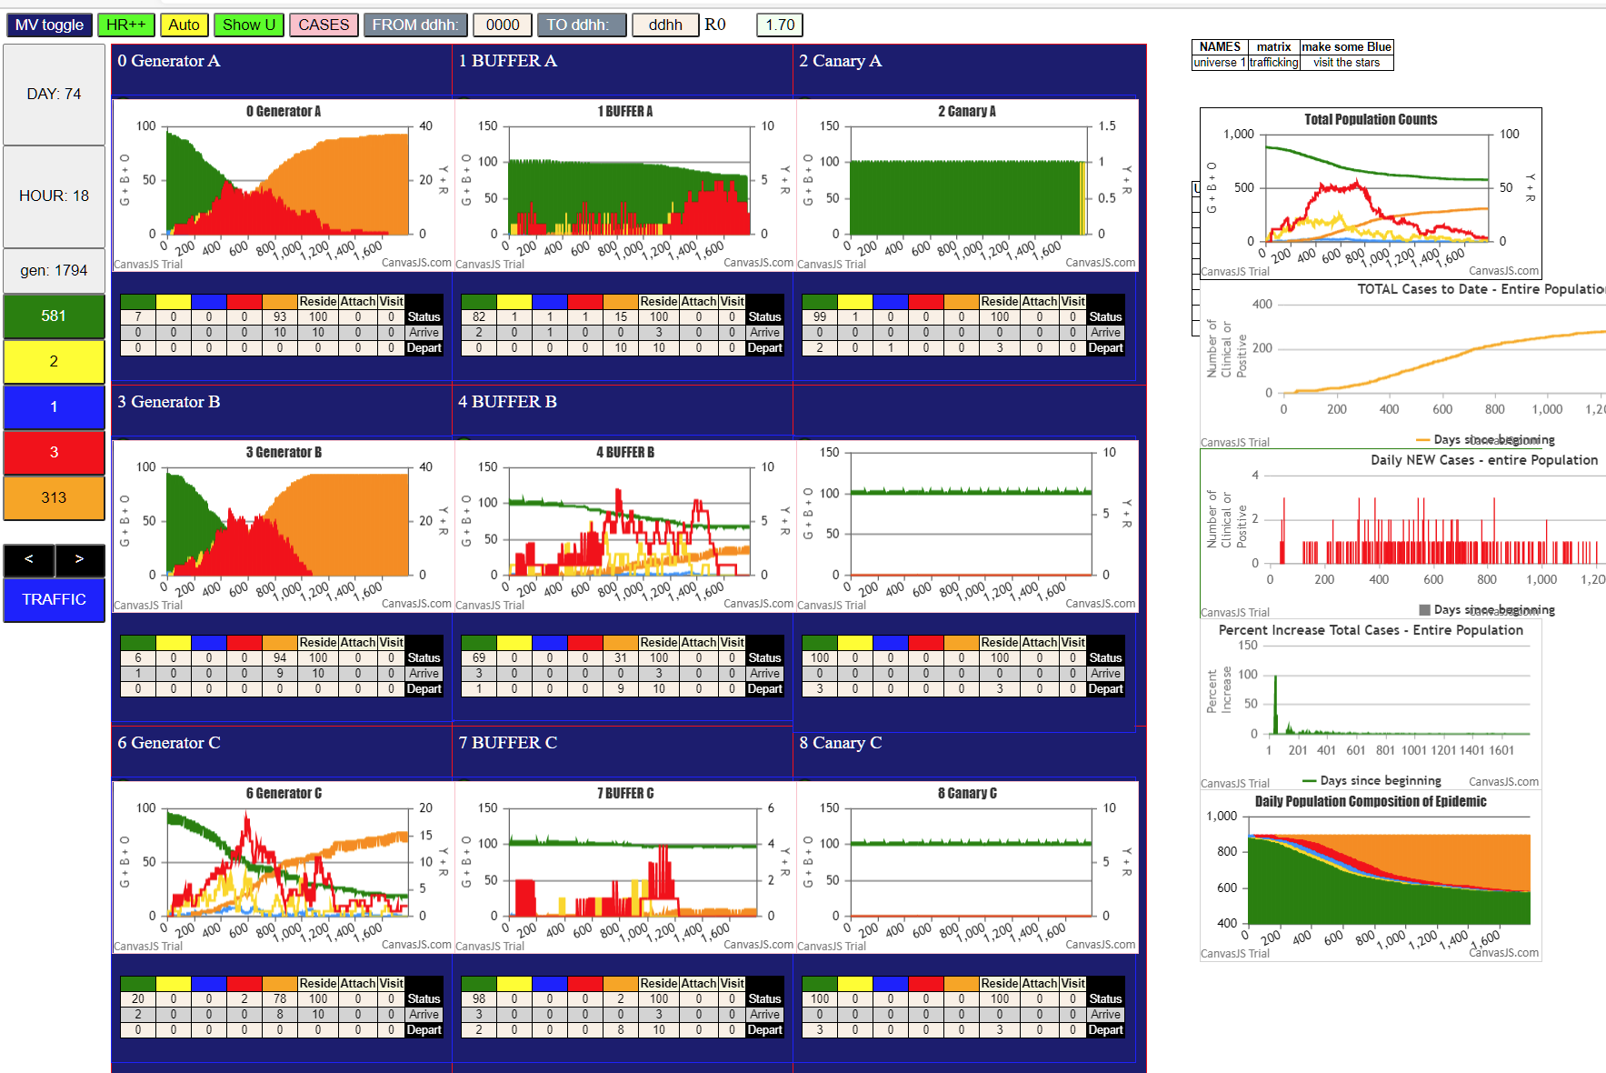

AT THIS POINT, GENERATORS HAVE FAILED, THOUGH C HAS 2 REDS LEFT, BUT WITH BUFFER C HAVING 86 GREENS, CHANCES OF GETTING TO CANARY ARE VERY SLIM
B IS TOTALLY DONE
A HAS 62 GREENS AND ONE INFECTION HAS HAPPENED IN CANARAY A (ONE YELLOW)…WITH THE FEROCITY OF THE CANARY UNIVERSES, WHEN THIS TURNS BLUE AND THEN RED, THIS SPACE
WILL BE OVERWHELMED…JUST WATCH
THIS ALL HAPPENED WITH BUFFER A HAVINS SOME 80+ GREENS, SO THE 3 NEEDED TO GET TO CANARY A WERE THERE WITH A SLIM PROBABILITY 3/100

AT GEN 1932, CANARY A HAS 30 YELLOWS
AT THEIS POINT, C IS ALSO DONE

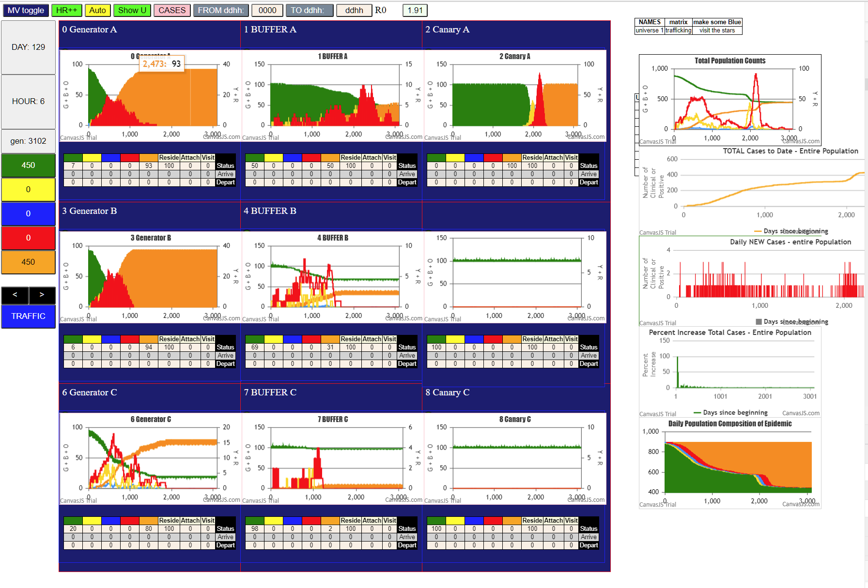

AND BY GEN 3102, IT HAS HAPPENED AND THE CANARY A HAS BEEN COMPLETELY CONSUMED.
JUST BY THE SLIMMEST OF CHANCES, BECAUSE IT WAS WITH 81 GREENS
AND NO GENERATING POTENTIAL LEFT IN GENERATOR A, AND BUFFER A, WHICH HAS A SLOW DYNAMIC ONLY HAD 1Y:1B;1R

OTHER INTERESTING POINTS
GENERATOR C HAS 3 SPIKES BUT WENT NOWHERE, BECAUSE ITS FEED INTO BUFFER C DID NOT FIND UPTAKE - 98G LEFT IN BUFFERC

THE SITUATION IN B IS MORE WHAT WE MIGHT EXPECT - ONLY 6 GREENS LEFT IN GENERATOR B
FURTHERMORE, WITH 69GREEN LEFT IN BUFFER B, CLEARLY THERE WAS OPPORTUNITY FOR THE 31 ORANGES TO HAVE DURING THEIR EXISTENCE AS INFECTIVES
TO HAVE INFECTED THE THREE THAT GO TO CANARY B

THIS DID NOT HAPPEN….

FINALLY LOOK AT THE OVERALL MULTIVERSE CHAT - WE SEE A HUGE SPIKE
IF THE THREE STREAMS ARE INSIDE A BOX, WE WOULD HAVE TO DEAL WITH THE SPIKE OR RXPLAIN IT

IN THIS CASE WHAT WE SEE IS THAT BY SHEER CHANCE THE INFECTIO WENT PAST BUFFER A

A PERSPECTIVE TO LOOK AT A SURGE IS THAT IT MAY BE A POCKET OF CLOSELY RELATED SUSCEPTIBLES
RATHER THAN AN OVERALL EFFECT ON THE "GENERAL" POPULATION…

THERE MAY NOT BE A GENERAL POPULATION BUT A WHOLE SERIES OF STRUCTURES LIKE THE ABOVE
THE POINT MIGHT BE THAT IF WE ONLY LOOK AT THE MULTIVERSE AS THE RELEVANT AGGREGATE, WE WILL NOT BE ABLE
TO UNDERSTAND HOW MUCH A SURGE IS BY CHANCE ALONE, AS PART OF STOCHASTIC HETEROGENEITY, OR WHETHER IT IS
TRULY A SHIFT IN MASS EFFECT……

UNIVERSE 1, 4 AND 6 ALL EXHIBIT STOCHATIC DIPS AND SURGES…..

